Table of contents
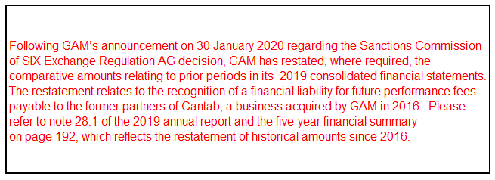
GAM

INVESTOR WORKBOOK - JUNE 2018

1) Income statement

2) Investment management and private labelling: Key figures

3) Performance fee eligible assets and income

4) Balance sheet

5) Statement of cash flows

6a) AuM development

6b) Investment management: AuM breakdowns

6c) Investment management: Net flow breakdowns

6d) Private labelling: AuM breakdowns

7) Share information and treasury shares

8) Foreign exchange rates

The spreadsheets and historical timeseries in this investor workbook provide historical financial information for GAM. They should be read and used in conjunction with our half-year and annual reports. For additional information please refer to these reports
(https://www.gam.com/en/our-company-content/investor-relations/results-centre/results-centre/).

Please note that some of the figures in the spreadsheets and historical timeseries may differ from those originally published in our half-year and annual reports (due, for example, to adjustments in our disclosure and the restatement of earlier periods).

